Guidance
ORGANISATION DETAILS |  |  |  |  |  | MAIN CONTACT DETAILS |  |  |  |  |  |  |  |  |  |  |  | SITE and BILLING ADDRESSES |  |  |  |  |  |  |  |  |  |  |  |  |  |  |  |  | ELECTRICITY |  |  |  |  |  |  |  |  |  |  |  |  |  |  |  |  |  |  |  |  |  | GAS |  |  |  |  |  |  |  |  |  |  |  |  | STAGE 2 ACCOUNT MANAGER
*Organisation Name | *Central Organisation Address Line 1 | *Central Organisation Address Line 2 | *Central Organisation Address Line 3 | *Central Organisation Address Line 4 | *Central Organisation Postcode | Contact Title | *Contact First Name | *Contact Surname | *Contact Job Title | *Contact Address Line 1 | *Contact Address Line 2 | *Contact Address Line 3 | *Contact Address Line 4 | *Contact Postcode | *Contact Phone | Contact Fax | *Contact Email | Site Customer Own Ref | *Site Contact First Name | *Site Contact Surname | *Contact Phone | *Contact Email | Site Address Line 1 | Site Address Line 2 | Site Address Line 3 | Site Address Line 4 | Site Address Line 5 | Site Postcode | *Billing Address Line 1 | *Billing Address Line 2 | *Billing Address Line 3 | *Billing Address Line 4 | *Billing Address Postcode | Special Instructions | Incumbent Supplier | Incumbent Contract End Date | Incumbent Supplier Notice Given? | Currently Out Of Contract? | Utility | Profile Class | Meter/Timeswitch Details | Line Loss Factor | *MPAN Core | Estimated Annual Consumption (kWh) | Supply Capacity (Kva) | Voltage | Meter Operator | Data Aggregator | Data Collector | *Start Date | Procurement Round | Locked Or Variable | *Billing Method | *Payment Type | *Payment Terms | *VAT Rate (%) | Incumbent Supplier | Incumbent Contract End Date | Incumbent Supplier Notice Given? | Currently Out Of Contract? | *Start Date | Procurement Round | Locked Or Variable | *MPR | AQ (kWh) | Billing Method | Payment Type | Payment Terms | *VAT Rate | Customer URN | Crown Commercial Service Commission | Other Commission Name 1 | Other Commission Amount 1 | Other Commission Name 2 | Other Commission Amount 2 | Interim Price Required | HH Data / ECD/ UMS cert recieved | VAT Form Received

Cells Highlighted in Green are for Crown Commercial Service to input the Basket information.
Cells highlighted in Yellow are to be completed by the customer if they have obtained the site from another customer who is currently on the framework (Novation).
Meter Details
The below Meter Point Administration Number (MPAN) is located on your invoice and will provide the required meter details . If you are unsure of any of the meter details please contact your current supplier.
Please note for new installations you will not receive your MTS (meter time switch) and LLF (Line Los Factor) until your site is fully installed and connected.
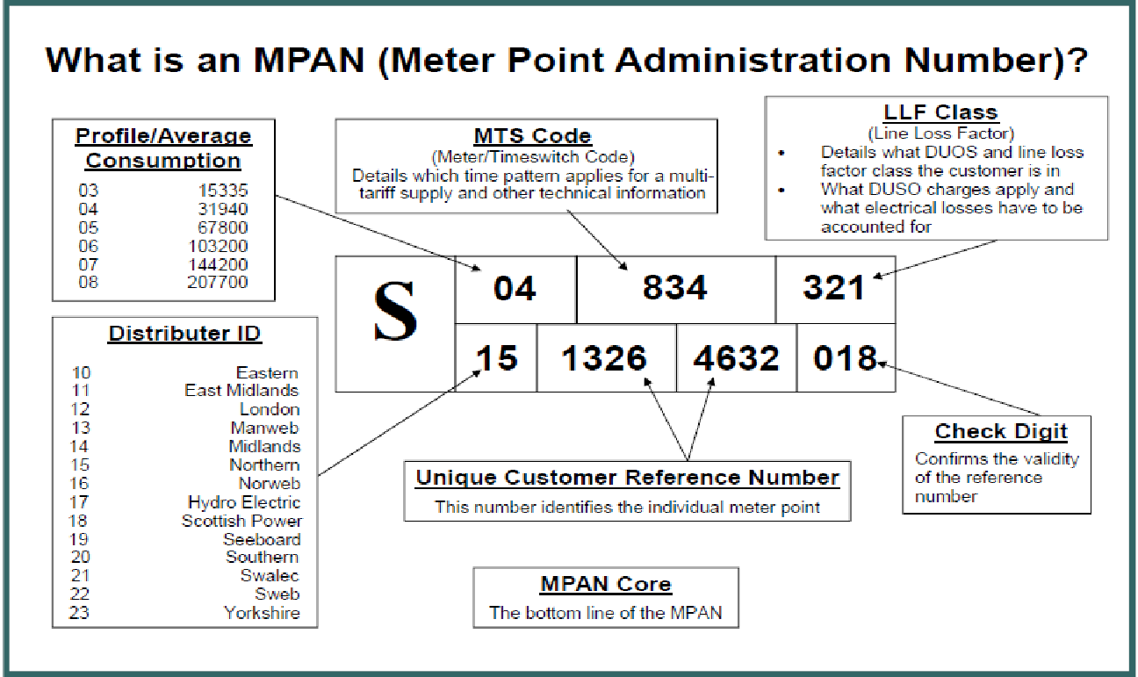
Organisation details
Please insert Your Organisation name and address details.
Please Note: If your organisation name has changed please advise CCS and they will be able to guide you through the novation process.
Main Contact Details
Please insert the contact details of the designated responsible person for day to day management of contract:
- Name
- Job title
- Address
- Phone Number
- Email
Site and Billing Address
This information relates to the actual site of the meter(s) Please insert:
- Site address information
- A contact for this site
- Billing Address
- Special instructions if required (i.e. place site on a certain account / Change of Measurement Class, access issues to the site etc)
Start Date
Please input the start date you wish for your site to transfer to the framework providers.
If the site is a new installation with the framework supplier please input "ASAP".
Procurement Basket information
To be completed by CCS.
Input the basket the customer has signed up to, please note that baskets close 6 months prior to the start of delivery.
Sites with a start date prior to the procurement basket will be placed on an interim price with the supplier, which is purchased/priced in an alternative manner but the customer is still receives the benefits of being on the framework.
VAT
Please select the correct VAT rate for your site.
Where 5% is selected a VAT certificate must be provided to both CCS and the supplier.
Start Date
Please input the start date you wish for your site to transfer to the framework providers.
If the site is a new installation with the framework supplier please input "ASAP".
Procurement Basket information
To be completed by CCS.
input the basket the customer has signed up to, please note that baskets close 6 months prior to the start of delivery.
Sites with a start date prior to the procurement basket will be placed on an interim price with the supplier, which is purchased/priced in an alternative manner but the customer is still receives the benefits of being on the framework.
Meter Point Reference (MPR)
Please input the MPR number, this will be shown on your current supplier invoices. If unsure of the MPR please contact your current supplier or the contractor who installed the meter.
Please note If the site is Shipperless we will require a further photo of the meter clearly showing the meter and its Meter Serial Number (MSN).
If your site does not have a Meter Point Reference (MPR) number, please input the MSN and attach a photo clearly showing the MSN.
VAT
Please select the correct VAT rate for your site.
Where 5% is selected a VAT certificate must be provided to both CCS and the supplier.

